NL
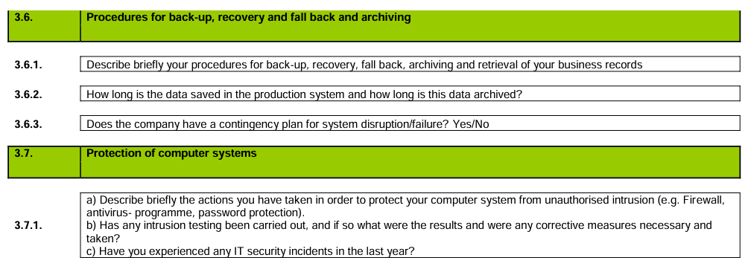
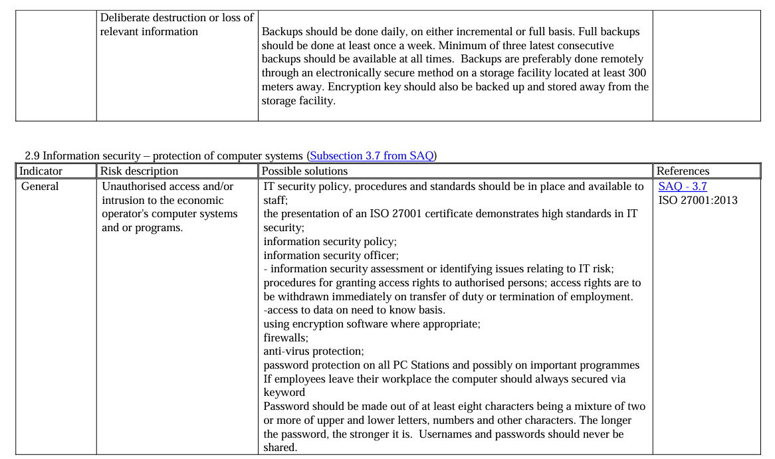
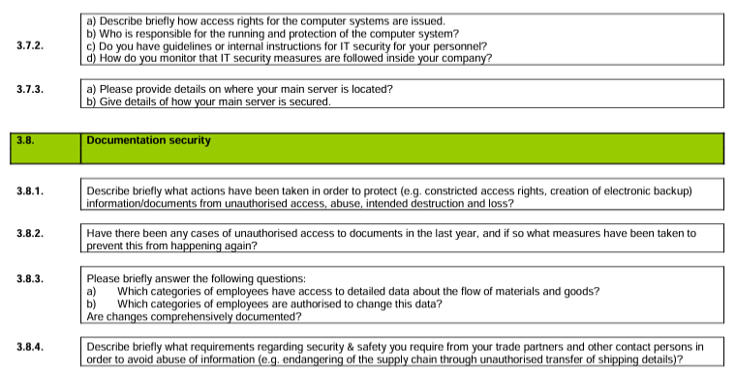
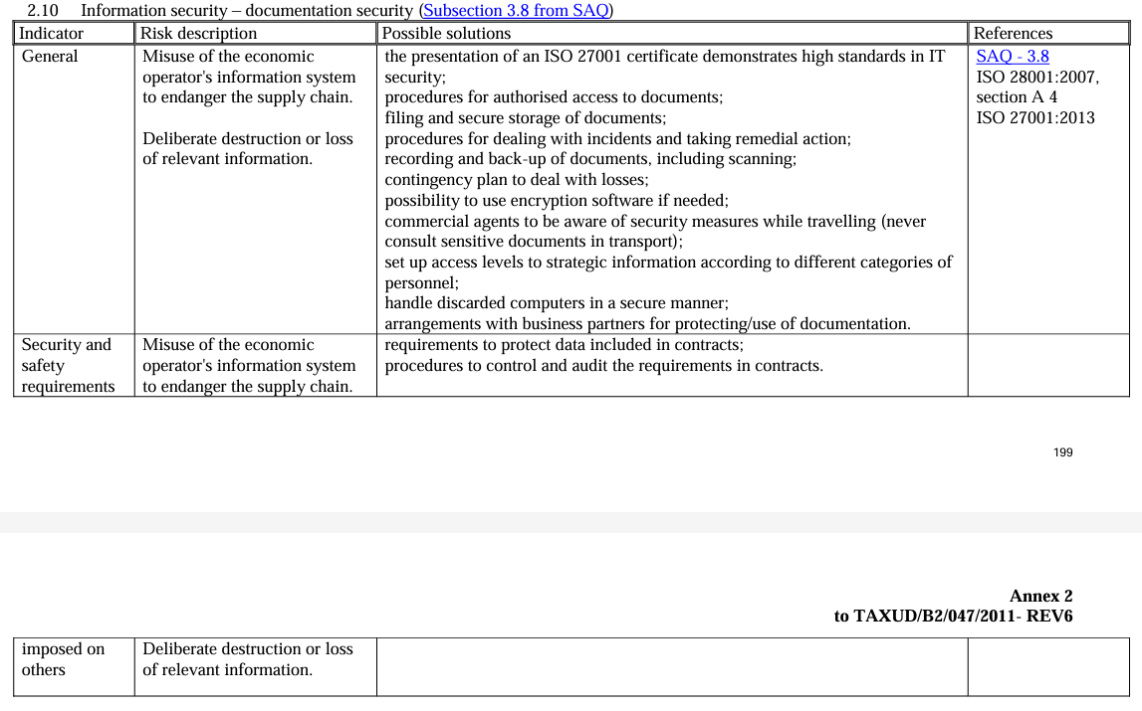
Chapter & Sub-chapter & Question in English | Question supportive comment | Responder | Ordinal number
General information (article 38 UCC) | Question supportive comment |  | 1
General company Information |  |  | 1.1.
AEO Certificate Number |  | GTC: Cas ter Heide | 1.1.1.
Date of Approval |  | GTC: Cas ter Heide | 1.1.2.
Company name, address, country |  | GTC: Cas ter Heide | 1.1.3.
Contact details: POC name, phone number, email |  | GTC: Cas ter Heide | 1.1.4.
Related BU details name, address, country |  | GTC: Cas ter Heide | 1.1.5
Related BU contact details: POC name, phone number, email |  | GTC: Cas ter Heide | 1.1.6
Organization structure * In case of changes - report date of change and details of change |  |  | 1.2.
Change to Legal entity Name or address |  | GTC: Cas ter Heide | 1.2.1.
Change of ownership of the Company |  | Legal: Annemieke Zutt-Konijn | 1.2.2.
Changes to the executive directorship of the company |  | Legal: Annemieke Zutt-Konijn | 1.2.3.
New Cargill BU added to the Legal entity | *Non-executive directors need not to be reported | Legal: Annemieke Zutt-Konijn | 1.2.4.
A Cargill business unit has been removed from this Legal Entity |  | Legal: Annemieke Zutt-Konijn | 1.2.5.
Have there been any other changes in the structure of your organization/ personnel in the last year |  | Legal: Annemieke Zutt-Konijn | 1.2.6.
Business Volumes (statistics) * Complete the following details regarding last fiscal year |  |  | 1.3.
Total Amount Import Duties paid | * in local currency | GTC: Cas ter Heide | 1.3.1.
Total number of import declaration filed |  | GTC: Cas ter Heide | 1.3.2.
Total number of export declaration filed |  | GTC: Cas ter Heide | 1.3.3.
Significant changes in export locations | * countries | GTC: Cas ter Heide | 1.3.4.
Change to the product HS codes: product description, old HS, new HS code, BTI Ref if any |  | GTC: Denis Gasquez | 1.3.5.
Significant material sourcing location changes |  | Supply Chain: CAN Provimi BV - Hilbrand Veenema CASC Cargill BV - Dalma Kuti CCC Cargill BV - Monie Van Beest CPE Cargill Meats Holland BV - Martijn Kleinsmann CSST Cargill BV - Mart van Gestel EOE Cargill BV - Sietse Buisman CTS Cargill BV Zaandam - Max Hertz-Kleptow CBI -PT Cargill Bioindustrial BV - Stefan Nguyen ZOR Cargill BV - Henk Krougman | 1.3.6
Information & Statistics on Customs Matters |  |  | 1.4.
In the last year have there been changes in the Customs Brokers that you use If yes, complete the following: Name of company, Date of change, Nature of change – deletion/addition | * E.g. new Customs Broker assigned; new SOP agreed with your Custoks Brokers | GTC: Cas ter Heide | 1.4.1.
Last year have there been any changes in the process of your self-filing of Customs Declaration If yes, complete the following: BU cathegory, date of change, nature of change | * e.g. Addition of new distribution hub / retail business activity/addition or removal of operating facility | GTC: Monique Boelhouwer | 1.4.2.
Compliance record (article 39 a. UCC) |  |  | 2
Import & Export discrepancies: Customs compliance |  |  | 2.1.
Have any applications for authorisations/certifications been refused, or existing authorisations been suspended because of breaches of customs rules in the last year If yes, please provide details : Authorization applied for , Details for rejection/ withdrawal |  | GTC: Lars Jacobsson | 2.1.1
Have any breaches of customs rules been identified in the last fiscal year | *List of Customs Compliance categories: 1. Value for Customs 2. Product Classification 3. Origin: Preferential & Non preferential 4. Customs Duty 5. Import VAT 6. Excise Duty 7. Anti Dumping Duty 8. CAP Refunds 9. Import/Export Licenses 10. Customs Warehouse 11. Inward Processing 12. End Use Relief 13. Outward Processing 14. Non Completed T-documents 15. Issues corrected after importation 16. Record keeping/Archiving 17. Late Filing of Declaration 18. Shipped without customs release 18. Other Discrepancies Identified If yes, complete the following: Customs Broker Name Location where CB performs import/export formalitie Customs Compliance Category Date of Discrepancy Details of Discrepancy Amount of Duty Underpaid Amount of Duty Overpaid Amount of CAP refund over claimed Amount of CAP refund under claimed | GTC: Monique Boelhouwer | 2.1.2
Tax compliance |  |  | 2.2.
Have any breaches of Taxation rules been identified in the last fiscal year |  | Tax: Paul van Kampen | 2.2.1.
Criminal infringements |  |  | 2.3.
Has your company been condemned for any serious infringement of criminal laws related to your economic activity If yes, describe the infringement and when it has been committed. Please also make reference to the sentence of the court. | * e.g. being convicted of deception, bribery, corruption | Legal: Annemieke Zutt-Konijn | 2.3.1.
Financial Solvency (article 39 c UCC) |  |  | 3
Can the Cargill Legal Entity provide any of the following to show it's Financial Solvency? Yes / No |  | Financial solvency: Ying Heemeijer-Xiong | 3.1.
Copy of the last year's Financial Accounts for your Legal Entity. Yes/No |  | Financial solvency: Ying Heemeijer-Xiong | 3.2.
Extract of the Auditors Report from last year's Financial Accounts Yes/ No |  | Financial solvency: Ying Heemeijer-Xiong | 3.3.
Letter from Auditors stating that business is an on going concern. Yes /No |  | Financial solvency: Ying Heemeijer-Xiong | 3.4.
Have any bankruptcy or insolvency proceedings been initiated for your company. Yes/No |  | Financial solvency: Ying Heemeijer-Xiong | 3.5.
Professional Qualifications (article 39 (d) UCC) |  |  | 4
Practical standards of competence |  |  | 4.1.
Have there changes in personel engaged in customs activities If yes, please provide details: who joined? Who left? Date of change? Job role ? | * e.g. in trade execution teams who give daily instructions to customs brokers | GTC: Monique Boelhouwer | 4.1.1.
Professional qualification |  |  | 4.2.
Has the Cargill BU participated in any Customs Compliance Training Events in the past year If yes, complete the following: Title of Training Module; Date Delivered; Delivered by |  | GTC: Cas ter Heide Lars Jacobsson Monique Boelhouwer | 4.2.1.
Safety & Security Requirements (article 39 e , UCC) |  |  | 5
Risk assesment |  |  | 5.1.
Have you conducted any safety and security reviews/audits in the last year If yes, complete the following: Date of Review/Audit; Details of Review/Audit; Conducted by |  | Safety: Hans Vercouteren | 5.1.1.
Have you had any security incidents over the last year If yes, complete the following: Date of incident; Details ; Actions taken | * e.g. intrusion of unauthorised persons, burglary , goods stolen in transport, detection of fraud or malpractice/misconduct from business partners | Security: EOE Cargill BV Botlek - Mehmet Orak CASC Cargill BV Multiseed Amsterdam-Michael Heezius ZOR Cargill BV Zaandam - Henk Krougman CCC Cargill BV -Monie Van Beest CAN Provimi BV - TRISTAN VERLAAN CPAE Cargill Meat Holland BV - not applicable security CSST Bergen op Zoom Cargill BV CSST - Ilse Nefs CSST Sas van Ghent Cargill BV - Eline Serrarens CSST Cargill BV - Mart van Gestel CTS Cargill BV Zaandam - Max Hertz-Kleptow CBI-PT Cargill Bioindustrial BV - Christa Revoort | 5.1.2.
Security Manager |  |  | 5.2.
Were there changes in the name of the contact person for security and safety matters If yes, please provide details: who joined? Who left? Date of change? Job role ? |  | Security: EOE Cargill BV Botlek - Mehmet Orak CASC Cargill BV Multiseed Amsterdam-Michael Heezius ZOR Cargill BV Zaandam - Henk Krougman CCC Cargill BV -Monie Van Beest CAN Provimi BV - TRISTAN VERLAAN CPAE Cargill Meat Holland BV - not applicable security CSST Bergen op Zoom Cargill BV CSST - Ilse Nefs CSST Sas van Ghent Cargill BV - Eline Serrarens CSST Cargill BV - Mart van Gestel CTS Cargill BV Zaandam - Max Hertz-Kleptow CBI-PT Cargill Bioindustrial BV - Christa Revoort | 5.2.1.
New equipment installed |  |  | 5.3.
Have you installed any new safety and security equipment in the last year If yes, complete the following: Date installed; Description of equipment installed; Other information |  | Security: EOE Cargill BV Botlek - Mehmet Orak CASC Cargill BV Multiseed Amsterdam-Michael Heezius ZOR Cargill BV Zaandam - Henk Krougman CCC Cargill BV -Monie Van Beest CAN Provimi BV - TRISTAN VERLAAN CPAE Cargill Meat Holland BV - not applicable security CSST Bergen op Zoom Cargill BV CSST - Ilse Nefs CSST Sas van Ghent Cargill BV - Eline Serrarens CSST Cargill BV - Mart van Gestel CTS Cargill BV Zaandam - Max Hertz-Kleptow CBI-PT Cargill Bioindustrial BV - Christa Revoort | 5.3.1.
Security Training Update |  |  | 5.4.
Did your BU have any Safety & Security Training in the past year If yes, complete the following: Date Delivered; Details of Training; Delivered by; |  | Security: EOE Cargill BV Botlek - Mehmet Orak CASC Cargill BV Multiseed Amsterdam-Michael Heezius ZOR Cargill BV Zaandam - Henk Krougman CCC Cargill BV -Monie Van Beest CAN Provimi BV - TRISTAN VERLAAN CPAE Cargill Meat Holland BV - not applicable security CSST Bergen op Zoom Cargill BV CSST - Ilse Nefs CSST Sas van Ghent Cargill BV - Eline Serrarens CSST Cargill BV - Mart van Gestel CTS Cargill BV Zaandam - Max Hertz-Kleptow CBI-PT Cargill Bioindustrial BV - Christa Revoort | 5.4.1.
CT-PAT Audit ( Customs - Trade Partnership Against Terrorism Audit) |  |  | 5.5.
Has the BU been subject of a CT-PAT validation review in the last year If yes, complete the following: Date of validation; Location of validation; Changes implemented as a result of CT-PAT validation; Summary of result |  | GTC: Lars Jacobsson | 5.5.1.
Accounting & Logistical system (article 39 b UCC) |  |  | 6
Internal Audit |  |  | 6.1.
Has the Cargill Business Unit conducted any internal audit/review of compliance with Customs regulations in the past year If yes, complete the following: Date of Review/Audit; Details of Review/Audit; Conducted by |  | GTC: Cas ter Heide | 6.1.1.
External Audit |  |  | 6.2.
Has any external Customs audit been undertaken on your Business Unit in the past year If yes, complete the following: Date of Review/Audit; Details of Review/Audit; Conducted by |  | GTC: Lars Jacobsson | 6.2.1.
Internal Control System |  |  | 6.3.
Financial Statement issued in the past year If yes, complete the following: Date Issued; Issued by Whom: | * source Corporate Finance Reporting manager | Financial solvency: Ying Heemeijer-Xiong | 6.3.1.
Have the internal controls been reviewed by an internal or external audit in the past year If yes, complete the following: Date of Review/Audit; Details of Review/Audit; Conducted by | * e.g. by Internal Audit team, ISO, HCCP, customer audits | Financial solvency: Ying Heemeijer-Xiong | 6.3.2.
Flow of Goods |  |  | 6.4.
Has the BU completed a Stock reconciliation in the past year If yes, complete the following: Date of Stock reconciliation; Results; Conducted by |  | Supply Chain: CPAE Cargill Meat Holland BV - Martijn Kleinsmann CASC Cargill BV - Dalma Kuti CCC Cargill BV - Monie Van Beest CTS Cargill BV Zaandam - Max Hertz-Kleptow CSST Cargill BV - Mart van Gestel CBI -PT Cargill Bioindustrial BV - Stefan Nguyen ZOR Cargill BV - Henk Krougman EOE Cargill BV - Mehmet Orak | 6.4.1.
Customs Routines |  |  | 6.5.
Has the Cargill BU Customs Procedures Manual (CPM) or Customs SOP been reviewed or updated in the past year If yes, complete the following: CPM / SOP revision numbers; Description of change/s; Date of last change | * e.g. Organization Changes, IT System Changes, Procedure changes etc. | GTC: Cas ter Heide Lars Jacobsson Monique Boelhouwer | 6.5.1.
Standard Operating Procedure with the Broker |  |  | 6.6.
Mention the number of BU Broker SOPs you have |  | GTC: Cas ter Heide | 6.6.1.
Has the Cargill BU Broker Standard Operating Procedure (SOP) been reviewed or updated in the past year If yes, complete the following: Broker SOP revision number; Description of change/s ; Date of last change | * e.g. Contact name changes, Classification Changes, Procedure changes etc. | GTC: Cas ter Heide | 6.6.2.
Accounting & logistic systems |  |  | 6.7.
Were there major changes or errors in the computer system hardware or software this past year If yes, provide details about corrective actions and completed by | * e.g. Changes or updates of the accounting or logistic systems, dysfunction of the accounting system, loss of accounting data, lack of traceability etc | IT: GlobalIT_TGRC-ITCompliance@cargill.com | 6.7.1.
Data loss (Article 39 (b) UCC + Article 25 UCC IA) Has there been data loss previous FY, see tab data loss If yes, provide details about corrective actions and completed by |  | IT: GlobalIT_TGRC-ITCompliance@cargill.com | 6.7.2.
Security of IT system (Article 39 (b) UCC + Article 25 UCC IA) Has there been a breach of security in IT systems, see tab security of IT systems If yes, provide details about corrective actions and completed by |  | IT: GlobalIT_TGRC-ITCompliance@cargill.com | 6.7.3.
Satisfactory system of managing commercial and transport records (Article 39 (b) UCC + Article 25 UCC IA) |  |  | 7
Data loss |  |  | 7.1.
Last year have there been any changes and/or situations in the: - Changes or updates of the accounting or logistic systems - Dysfunction of the accounting system (e.g. loss of accounting data, lack of traceability etc.) - Accounts not certified by an external auditor - Loss of records - Dysfunction of cross-checked audits - Loss or destruction of accounting, commercial and transport archives - Loss or destruction of electronic backups of accounting, commercial and transport data - Incapability of distinguishing Union and non-Union goods due to e.g., a crash of the software used - Incapability of managing internal controls - Discovery of an important irregularity during an internal control - Corrective measures to correct major irregularities detected - New process to deal with a product requiring licences and authorisations in accordance with commercial policy measures or relating to trade in agricultural products - New location of archives - Usage of a wrong commodity code - Usage of a wrong customs value - Processing of goods in temporary storage by accident - Any problem in temporary storage or customs warehousing which is related to customs activities - Processing of goods under transit procedure by accident - Identification of an accumulation of working mistakes - Non-observance of prohibitions or restrictions - Intrusion detected into IT systems - Major dysfunction of IT security measures - Major breakdown of the IT system |  | IT: GlobalIT_TGRC-ITCompliance@cargill.com | 7.1.1.
Procedures for Back-up, Recovery and Fall Back and Archiving |  |  | 7.2.
Describe briefly your procedures for back-up, recovery, fall back, archiving and retrieval of your business records. How long is the data saved in the production system and how long is this data archived? Does the company have a contingency plan for system disruption/failure? Yes/No |  | IT: GlobalIT_TGRC-ITCompliance@cargill.com | 7.2.1.
Protection of Computer Systems |  |  | 7.3.
a) Describe briefly the actions you have taken in order to protect your computer system from unauthorised intrusion (e.g. firewall, antivirus programme, password protection). b) Has any intrusion testing been carried out, and if so what were the results and were any corrective measures necessary and taken? c) Have you experienced any IT security incidents in the last year? |  | IT: GlobalIT_TGRC-ITCompliance@cargill.com | 7.3.1.
a) Describe briefly how access rights for the computer systems are issued. b) Who is responsible for the running and protection of the computer system? c) Do you have guidelines or internal instructions for IT security for your personnel? d) How do you monitor that IT security measures are followed inside your company? |  | IT: GlobalIT_TGRC-ITCompliance@cargill.com | 7.3.2.
a) Please provide details on where your main server is located? b) Give details of how yout main server is secured |  | IT: GlobalIT_TGRC-ITCompliance@cargill.com | 7.3.3.
Documentation Security |  |  | 7.4.
Describe briefly what actions have been taken in order to protect (e.g. constricted access rights, creation of electronic backup) information/documents from unauthorised access, abuse, intended destruction and loss? |  | IT: GlobalIT_TGRC-ITCompliance@cargill.com | 7.4.1.
Have there been any cases of unauthorised access to documents in the last year, and if so what measures have been taken to prevent this from happening again? |  | IT: GlobalIT_TGRC-ITCompliance@cargill.com | 7.4.2.
Please briefly answer the following questions: a) Which categories of employees have access to detailed data about the flow of materials and goods? b) Which categories of employees are authorised to change this data? Are changes comprehensively documented? |  | IT: GlobalIT_TGRC-ITCompliance@cargill.com | 7.4.3.
Describe briefly what requirements regarding security & safety you require from your trade partners and other contact persons in order to avoid abuse of information (e.g. endangering of the supply chain through unauthorised transfer of shipping details)? |  | IT: GlobalIT_TGRC-ITCompliance@cargill.com | 7.4.4.
Identified special requiremets fo Netherlands: Below picture should also includes as reference to support clearer understanding in the questuiosn No :

